SoC screening tool ENV
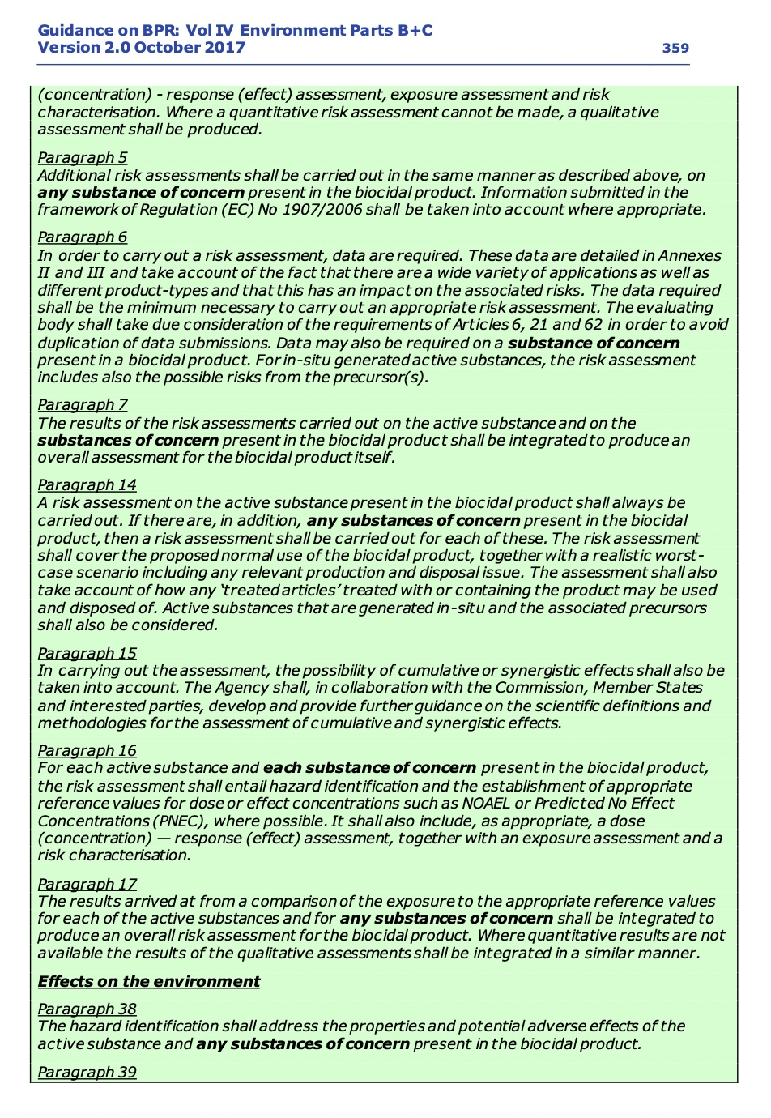
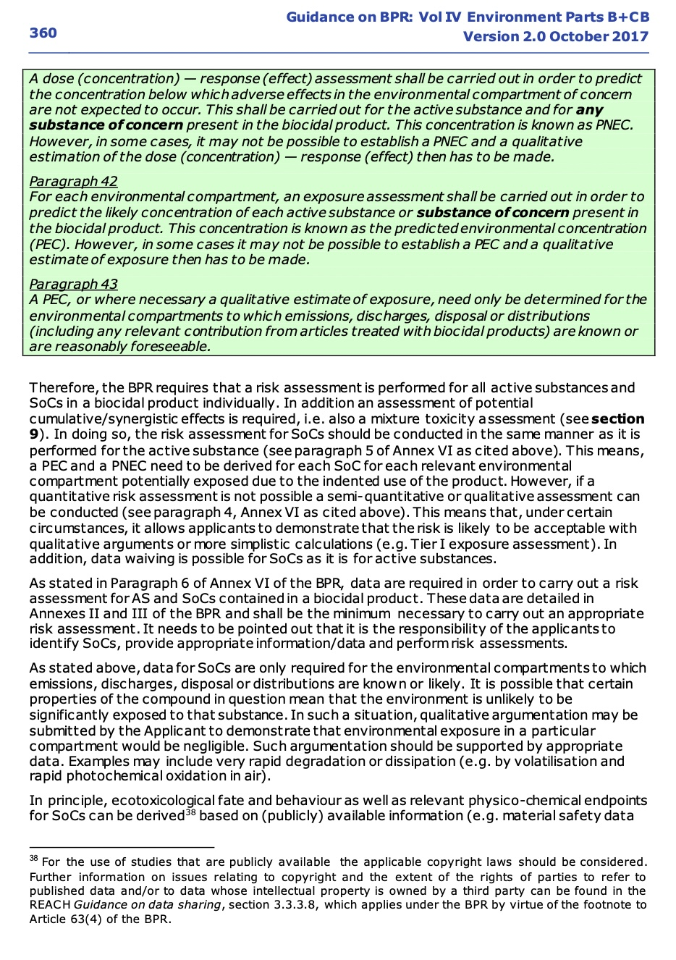
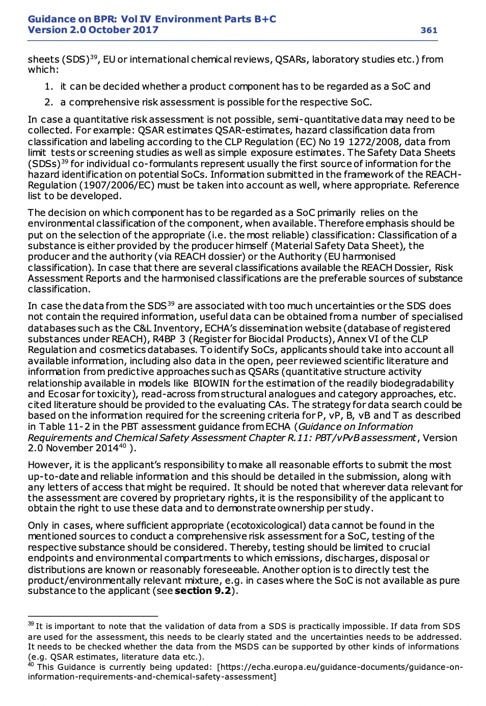
Guidance on the Biocidal Products Regulation
Volume IV Environment - Assessment and Evaluation (Parts B + C)
Version 2.0 October 2017

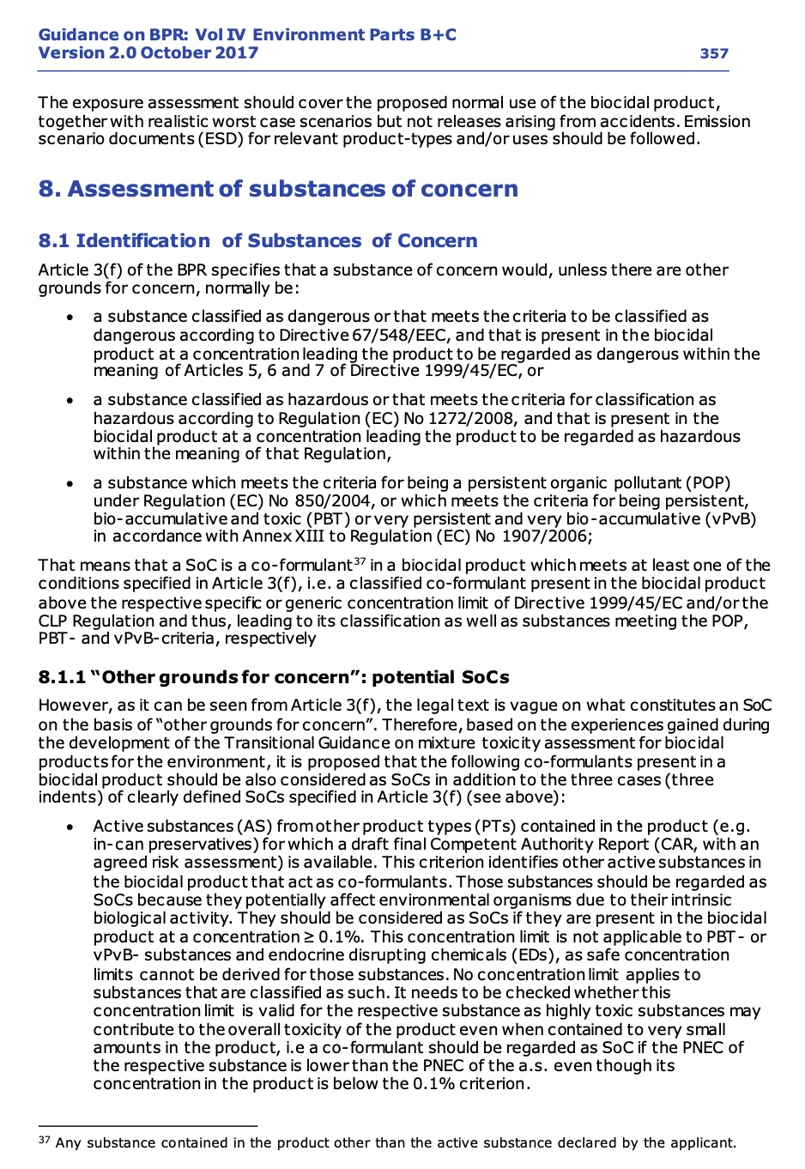
 | Guidance on BPR: Vol IV Environment Parts B+C, Version 2.0 October 2017 identification of substances of concern | screening tool
ID SoC | § 8.1 A SoC is a co-formulant in a biocidal product which meets at least one of the conditions specified in Article 3(f): * a substance classified as dangerous or that meets the criteria to be classified as dangerous according to Directive 67/548/EEC, and that is present in the biocidal product at a concentration leading the product to be regarded as dangerous within the meaning of Articles 5, 6 and 7 of Directive 1999/45/EC, or * a substance classified as hazardous or that meets the criteria for classification as hazardous according to Regulation (EC) No 1272/2008, and that is present in the biocidal product at a concentration leading the product to be regarded as hazardous within the meaning of that Regulation, * a substance which meets the criteria for being a persistent organic pollutant (POP) under Regulation (EC) No 850/2004, or which meets the criteria for being persistent, bio-accumulative and toxic (PBT) or very persistent and very bio-accumulative (vPvB) in accordance with Annex XIII to Regulation (EC) No 1907/2006; | - check for presence of ENV classification (H'*) of the substance and the mixture - check if the substance is present on the list of suspected substances of high concern / show for which criterium (POP, PBT or vPvB)
Other grounds for concern | 1. Active substances (AS) from other product types (PTs) contained in the product for which a draft final Competent Authority Report (CAR, with an agreed risk assessment) is available. This criterion identifies other active substances in the biocidal product that act as co-formulants. Those substances should be regarded as SoCs because they potentially affect environmental organisms due to their intrinsic biological activity. They should be considered as SoCs if they are present in the biocidal product at a concentration ≥ 0.1%. ! This concentration limit is not applicable to PBT- or vPvB- substances and endocrine disrupting chemicals (EDs), as safe concentration limits cannot be derived for those substances. It needs to be checked whether this concentration limit is valid for the respective substance as highly toxic substances may contribute to the overall toxicity of the product even when contained to very small amounts in the product, i.e a co-formulant should be regarded as SoC if the PNEC of the respective substance is lower than the PNEC of the a.s. even though its concentration in the product is below the 0.1% criterion. exemptions are possible under the following condition: the substance is contained in Annex I of the BPR | - check substance presence on the list 'ECHA list of bioicidal active substances' by CASnr - check if Annex I AS TODO: check yourself if the PNECS SoC < PNECS AS ; concentration > 0.1%
 | 2. Substances that enhance the effect of the active substance in the product, e.g. synergists. For synergists, information/data shall be provided related to the interaction between the active substance and the synergist, not only for the synergist itself. For such substances, an appropriate evaluation of the risks posed by the active substance in the presence of the synergist rather than an evaluation of the risks posed by the synergist itself should be undertaken. A generic concentration cut-off value for the presence of a synergist in a product, applicable to all synergists cannot be specified. On a case-by-case basis, a synergist should be considered a SoC, if it is present at a concentration that enhances the toxicity of the active substance, as indicated by the available data. Furthermore, the hazard profile, potency and exposure potential of the substance enhancing the effects of the active substance should be taken into account. Further details on the identification of synergists can be found in section 10.2.3. Also diluents, (lipophilic) organic solvents and surfactants like e.g. naptha may influenc e the toxicity of a mixture by enhancing the bioavailability of the active substance(s) and should therefore be regarded carefully. In principle, all co-formulants need to be checked for a potential influence on the toxicity of the other product components. | - ask for synergictic effects to the registration holder - check for synergists in tab synergists
 | 3. Substances that have been included in the candidate list established in accordance with the REACH Regulation (1907/2006/EC, as amended), Article 57 (f) and 59(1) or fulfil the criteria for inclusion in the candidate list, if not already covered by the criteria of Article 3(f) of the BPR (see above). This criterion will capture, the clearly-defined SoCs specified in Article 3(f) of the BPR as well as endocrine disruptors (EDs) and PBT-substances which are not covered by Article 57 (d-e) of the REACH Regulation. | see first criterium
 | 4. Substances which meet two of the criteria for being PBT in accordance with Annex XIII to Regulation (EC) No 1907/2006, as amended.
 | 5. Substances for which an Environmental Quality Standard (EQS) has been derived under Directive 2000/60/EC (Water Framework Directive; according to paragraph 67, Annex VI, BPR). | - check EQS WFD database https://eur-lex.europa.eu/legal-content/EN/TXT/HTML/?uri=CELEX:02008L0105-20130913&from=EN

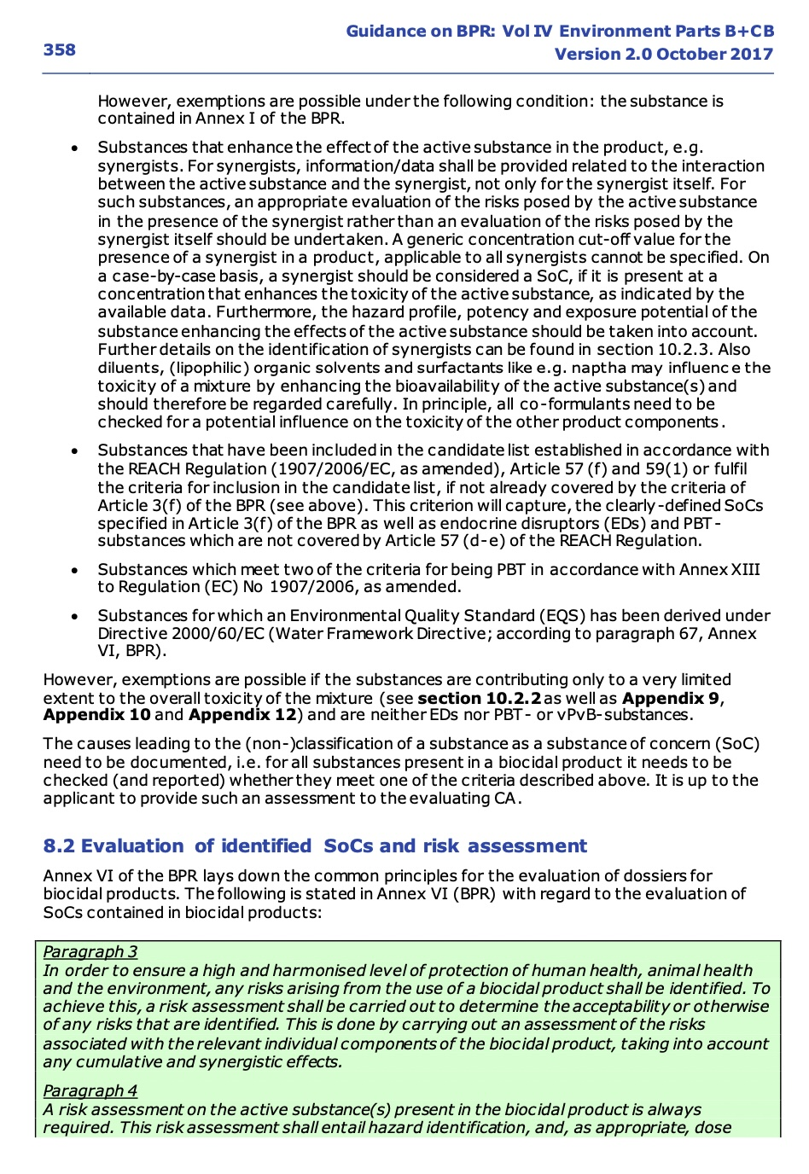
 | exemptions are possible if the substances are contributing only to a very limited extent to the overall toxicity of the mixture (see section 10.2.2 as well as Appendix 9, Appendix 10 and Appendix 12) and are neither EDs nor PBT- or vPvB-substances. The causes leading to the (non-)classification of a substance as a substance of concern (SoC) need to be documented, i.e. for all substances present in a biocidal product it needs to be checked (and reported) whether they meet one of the criteria described above. It is up to the applicant to provide such an assessment to the evaluating CA.

 | ca doc about limit 0.1%

